Sheet1
Product name | Idp.com | Start date | 2021-04-08 |  |  | TC Execution Start Date | 2021-04-09 |  |  | TEST CASE SUMMARY
Module name | Test Cases for identification | End date | 2021-04-09 |  |  | TC Execution End Date | 2021-04-10 |  |  | PASS | 9
 |  | Test case developed by |  | Mumtahina Parvin (Ananna) |  | Browser (tested) |  |  |  | FAIL | 3
Developer Name (TL) |  | Test case reviewed by |  | MD . Sabiul Islam |  | Performance (tested) |  |  |  | WARNING | 0
Test Executed by |  |  |  |  |  |  |  |  |  | TOTAL | 12
Test Case ID/Name | Test Case Description |  | Step Name | Test Data | Step Description | Expected Result |  | Actual | Status |  |  |  | Remarks
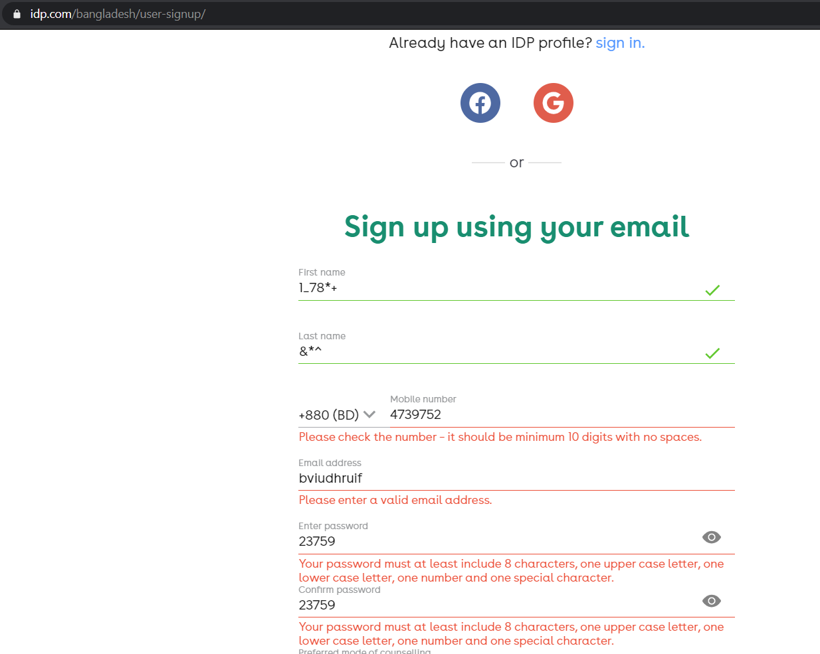
TC001 | First name |  | Step 1 | 1_78*+ | Using number and special character | Should not be able to register with wrong |  | able to register | Fail
 |  |  | Step 2 | create |  |  |  |  |  |  |  | Picture 1

TC002 | first name |  | Step 1 | Mumtahina |  | should be able to register with uppercase and lower case |  | able to register | pass
 |  |  | Step 2 | create

TC003 | Last name |  | Step 1 | &*^ | Using special character | should not be able to register with |  | able to register | fail
 |  |  | Step 2 | create

TC004 | Last Name |  | Step 1 | Parvin |  | should be able to register with uppercase and lower case |  | able to register | Pass
 |  |  | Step 2 | create

TC005 | Mobile number |  | Step 1 | 4739752 | using less than 10 digits | should not be able to register using less than 10 digits |  | Not able to register | Pass
 |  |  | Step 2 | create

TC006 | Mobile number |  | Step 1 | 1404196854 |  | should be able to register with correct Phone number of 10 digits |  | able to register | Pass
 |  |  | Step 2 | create

TC007 | Mobile Number |  | Step 1 | .,.,136578 | using fullstop and comma | should not be able to register with fullstop and comma |  | able to register | Fail
 |  |  | Step 2 | create
 |  |  |  |  |  |  |  |  |  |  |  | Picture 2
TC008 | E-mail Address |  | Step 1 | bviudhruif | not using @gmail.com | should not be able to register with wrong mail |  | Not able to register | Pass
 |  |  | Step 2 | create

TC009 | E-mail Address |  | Step 1 | @gmail.com | not using any character before @gmail.com | should not be able to register with wrong mail |  | Not able to register | Pass |  |  | Picture 3
 |  |  | Step 2 | create

TC010 | E-mail Address |  | Step 1 | mumtahina.gmail.com | not using @ | should not be able to register with wrong mail |  | Not able to register | Pass
 |  |  | Step 2 | create |  |  |  |  |  |  |  | Picture 4

TC011 | Password |  | Step 1 | 23759 | password must at least include 8 characters, one upper case letter, one lower case letter, one number and one special character. | should not be able to register with wrong password |  | Not able to register | Pass
 |  |  | Step 2 | create

TC012 | Password |  | Step 1 | ngurtjigjij | password must at least include 8 characters, one upper case letter, one lower case letter, one number and one special character. | should not be able to register with wrong password |  | Not able to register | Pass
 |  |  | Step 2 | create

 |  |  |  |  |  |  |  |  |  |  |  | Picture 5

 |  |  |  |  |  |  |  |  |  |  |  | Picture 6

 |  |  |  |  |  |  |  |  |  |  |  | Picture 7

